Table 1
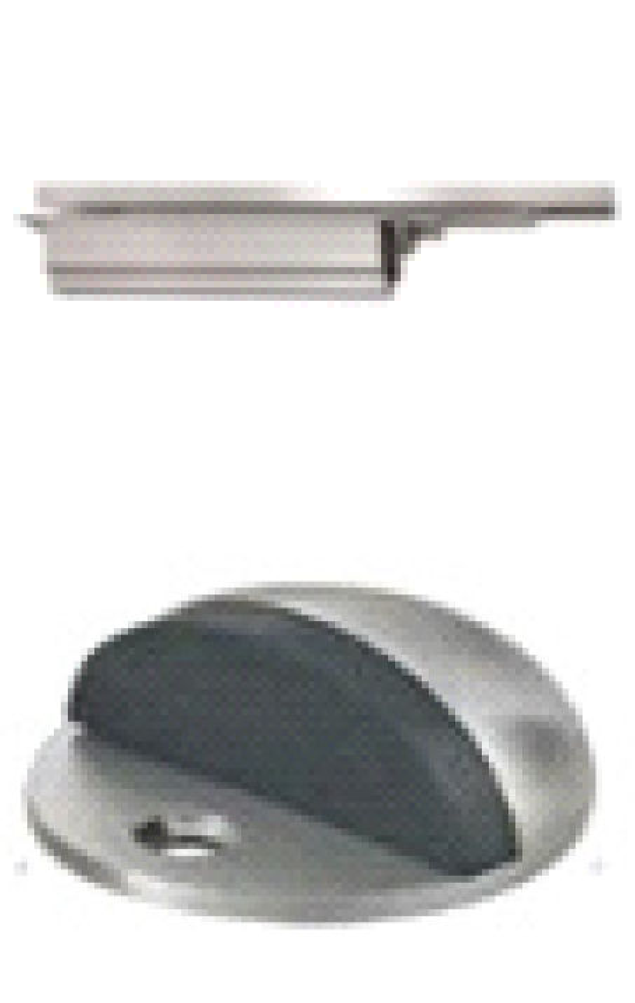

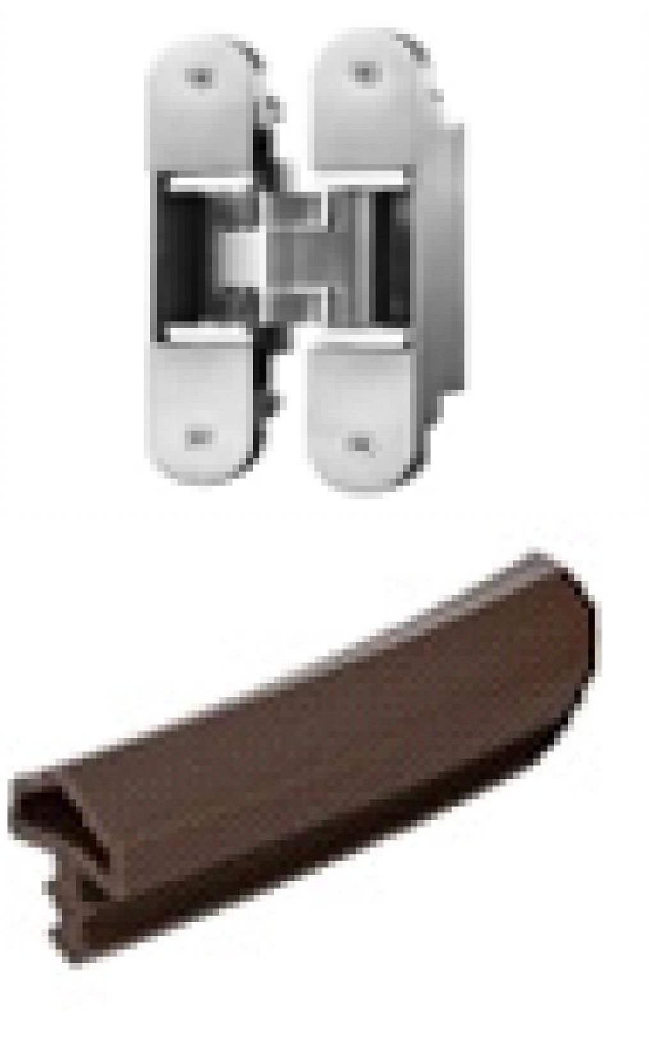
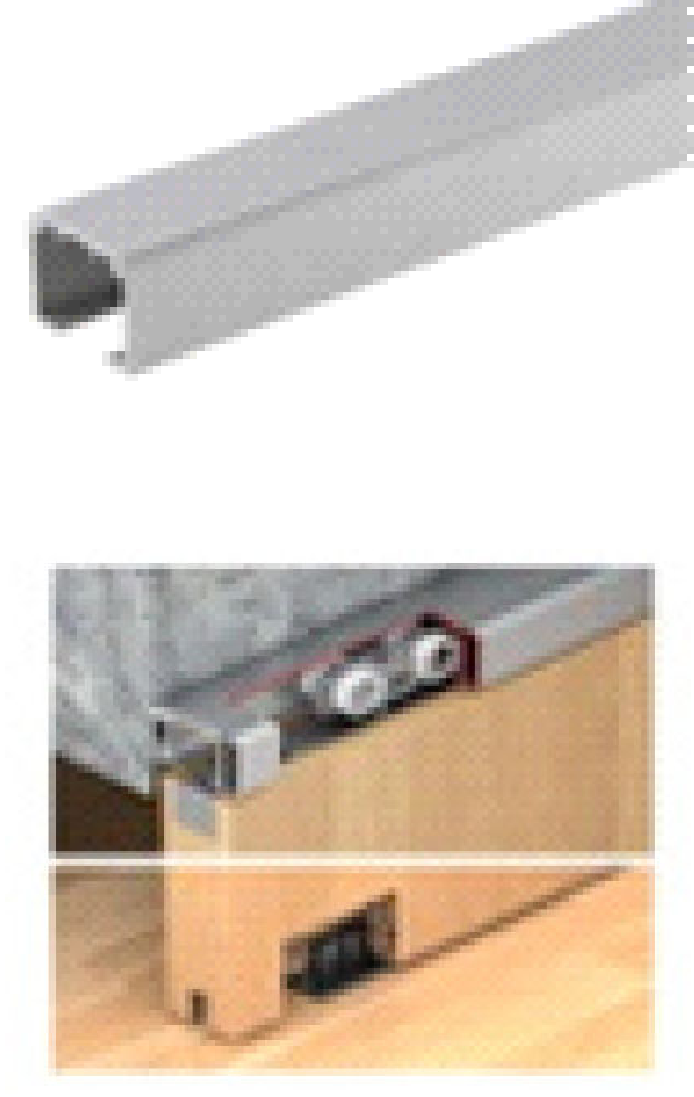
A8600 - FURNITURE HARDWARE

PROJECT: | MELIA FOREST B | ISSUE: |  |  | ISSUED FOR: |  |  | DATE:
CLIENT: | CITY LAND | X |  |  | ISSUED FOR CONSTRUCTION DESIGN |  |  | 13/04/2026
JOB NO: | A252396 | X
CREATED: | 13/04/2026 | X
BY:

FURNITURE NOTES
1 | SCHEDULE TO BE READ IN CONJUNCTION WITH FURNITURE DRAWINGS
2 | ALL QUOTES AND PRICING ARE EXCLUDING GST AND DELIVERY FEES UNLESS OTHERWISE NOTED.
3 | ORDERING - LEAD TIMES ARE CORRECT AT TIME OF ISSUE, AND ARE TO BE VERIFIED BY THE CONTRACTOR
4 | QUOTES - PRICES NOTED ARE CORRECT AT TIME OF ISSUE. PRICES TO BE CONFIRMED WITH ALL SUPPLIERS AT TIME OF PURCHASE.
FURNITURE HARDWARE SCHEDULE

ITEM | LOCATION | DESCRIPTION | CODE |  | IMAGE |  | Quantity | SUPPLIER / MANUFACTURER |  |  | COMMENTS |  | REV
KC10 | KITCHEN (VILLA 7.10) | Bản lề DIY inox 304 giảm chấn trùm nửa, 1 túi 2 cái trọn bộ□ | 315.07.114 |  |  |  | 16 | 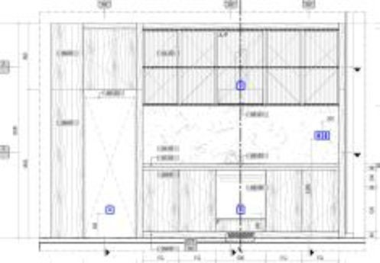 Häfele Vietnam LLC Head Office REE Tower, 3rd Floor, 9 Doan Van Bo St., Dist.4, Ho Chi Minh Tel: +84 28 39 113 113 Fax: +84 28 39 113 114 Email: info@hafele.com.vn www.hafele.com.vn
 |  | Bản lề DIY inox 304 giảm chấn trùm ngoài, 1 túi 2 cái trọn bộ | 315.07.113 |  |  |  | 4
KI10 | KITCHEN (VILLA 7.10) | Bản lề DIY inox 304 giảm chấn trùm nửa, 1 túi 2 cái trọn bộ | 315.07.114 |  |  |  | 12 | Häfele Vietnam LLC Head Office REE Tower, 3rd Floor, 9 Doan Van Bo St., Dist.4, Ho Chi Minh Tel: +84 28 39 113 113 Fax: +84 28 39 113 114 Email: info@hafele.com.vn www.hafele.com.vn
 |  | Ray âm EPC EVO 550mm giảm chấn toàn phần | 433.32.076 |  |  |  | 4

ITEM | LOCATION | DESCRIPTION | CODE |  | IMAGE |  | Quantity | SUPPLIER / MANUFACTURER |  |  | COMMENTS |  | REV
 |  | Bản lề DIY inox 304 giảm chấn trùm nửa, 1 túi 2 cái trọn bộ | 315.07.114 |  |  |  | 3
 |  |  |  |  |  |  |  | Häfele Vietnam LLC Head Office REE Tower, 3rd Floor, 9 Doan Van Bo St., Dist.4, Ho Chi Minh Tel: +84 28 39 113 113 Fax: +84 28 39 113 114 Email: info@hafele.com.vn www.hafele.com.vn
 |  | Bản lề DIY inox 304 giảm chấn lọt lòng, 1 túi 2 cái trọn bộ | 315.07.115 |  |  |  | 5

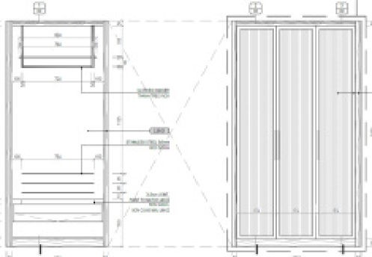
 |  | Ray âm EPC EVO 500mm giảm chấn toàn phần | 433.32.075 |  |  |  | 2
WA10.1 WA10.2 | BEDROOM (VILLA 7.1)

 |  | Ke đỡ 2 đầu thành treo quần áo |  |  |  |  | 2
 |  |  |  |  |  |  |  | BY CONTRACTOR

 |  | Thanh treo quần áo inox (theo thiết kế) |  |  |  |  | 2
 |  |  |  |  |  |  |  | GIA STUDIO
 |  | Tay nắm kim loại | Yakun antique handle |  |  |  | 2 | Add: 64/2B Trần Đình Xu, P. Cầu Ông Lãnh, TP.HCM Website: https://www.giastudio.store/ Contact: 078 757 1109 Trâm

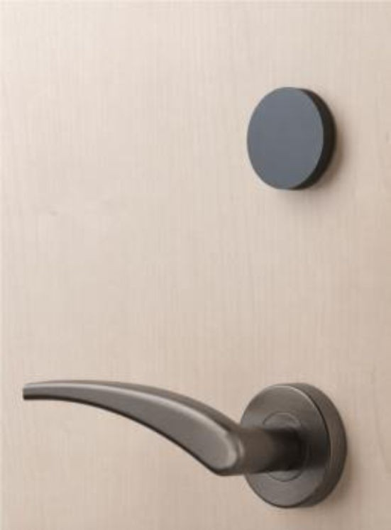
ITEM | LOCATION | DESCRIPTION |  | CODE |  | IMAGE |  |  | QUANTITY | SUPPLIER |  | COMMENTS |  | REV
MAIN DOOR
 |  | AElement Fusion Reader and control module - ANSI Model AFMPM SALTO AElement Fusion electronics. Includes split spindles that must be used with the AElement handle set (Mortise lock and handles not included and must be ordered separately) MIFARE DESFire, Bluetooth LE + HSE - Standalone AElement Fusion electronics - Satin brass front plate PRODUCT TYPE F | AElement Fusion electronics ID TECHNOLOGY M | Mifare + Bluetooth LE + HSE CONTROL PLATE SHAPE 7 | ANSI 27mm (1- 1/16") FINISH PM | PM - Satin PVD READER COLOUR B | B - Black DOOR THICKNESS 4 | 45 <= t < 55 mm 1 3/4" <= t < 2 1/8" LOCK DESCENTRATION A | A** 20 <= b < 30 mm 3/4" <= b < 1 3/16" Distance from inside door edge to lock center. "b" is measured now from the inside. The maximum distance from the reader to the control center line is 55mm (2-1/8"). SPLIT SPINDLE 8 | 8 mm DOOR TYPE N | For Wood doors |  |  |  |  |  |  | 1 | Công ty TNHH SALTO SYSTEM Floor 3-4, 87B Bùi Thị xuân, P. Ben Thanh. HCM +84287300027
 |  |  |  |  |  |  |  |  |  | (or equivalent)
 |  | AElement mortise locks -ANSI PRODUCT LA | ANSI mortise lock FORMAT 1 | ANSI mortise lock MODELS T | ANSI mortise lock DEAD BOLT FUNCTION 1 | Deadbolt + panic function LATCH FUNTION 7 | Spindle block mechanism BACKSET 70 | 70 mm Options not standard. Delivery subject to availability. FOREEND FORM A | FOREEND WIDTH 7 | 27 mm DETECTOR 4 | handle, privacy, door and override detector FINISH PM | PVD Satin brass (ANSI) SPINDLE S | 8mm split HANDING RH | Right handing
 |  |  |  |  |  |  |  |  | 1

DOOR SCHEDULE

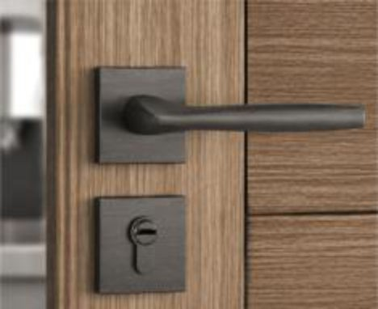
ITEM | LOCATION | DESCRIPTION |  | CODE |  | IMAGE |  |  | QUANTITY | SUPPLIER |  | COMMENTS |  | REV
DOOR D3
 |  | Bộ khóa cửa tay gạt Code: BSQSSN27266 Vật liệu: Hợp kim kẽm, Màu đen mờ Chiều dài thân khóa: 136,8mm; cao 63,6mm, rộng 54,5mm Xuất xứ: Trung Quốc NCC: BSQUARE |  |  |  |  |  |  | 1 | Oppein-Bsquare Add: 1A Phu Thuan Street, Phu Thuan Ward, District 7, Ho Chi Minh City. Website: www.oppein.com.vn Contact: Hiền 0702 555 656
 |  |  |  |  |  |  |  |  |  | (or equivalent)
 |  | THIẾT BỊ ĐÓNG CỬA TỰ ĐỘNG ÂM DCL71 NHO |  |  |  |  |  |  | 1 | Häfele Vietnam LLC Head Office REE Tower, 3rd Floor, 9 Doan Van Bo St., Dist.4, Ho Chi Minh Tel: +84 28 39 113 113 Fax: +84 28 39 113 114 Email: info@hafele.com.vn www.hafele.com.vn

 |  | CHẶN CỬA SÀN, MÀU INOX MỜ |  |  |  |  |  |  | 1 | (or equivalent)

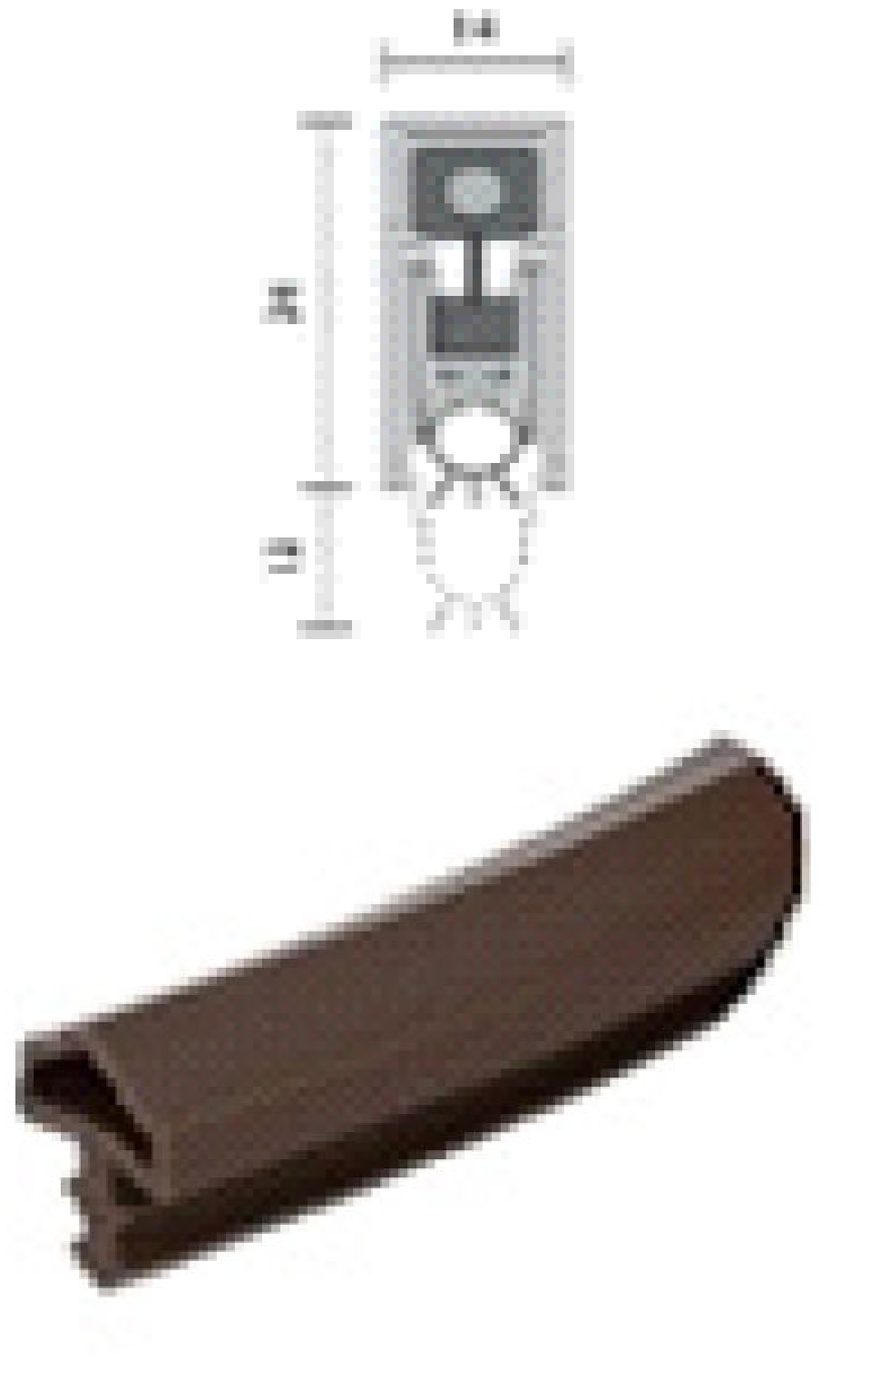
ITEM | LOCATION | DESCRIPTION |  | CODE |  | IMAGE |  |  | QUANTITY | SUPPLIER |  | COMMENTS |  | REV
 |  | ĐỆM CỬA CHỐNG CHÁY 20/2100MM DB |  |  |  |  |  |  | 3
 |  | THANH CHẮN BỤI RP8SI 1220MM |  |  |  |  |  |  | 1 | Häfele Vietnam LLC Head Office
 |  |  |  |  |  |  |  |  |  | REE Tower, 3rd Floor,
 |  |  |  |  |  |  |  |  |  | 9 Doan Van Bo St., Dist.4, Ho Chi
 |  |  |  |  |  |  |  |  |  | Minh
 |  |  |  |  |  |  |  |  |  | Tel: +84 28 39 113 113
 | BEDROOM |  |  |  |  |  |  |  |  | Fax: +84 28 39 113 114

 |  |  |  |  |  |  |  |  |  | Email: info@hafele.com.vn
 |  |  |  |  |  |  |  |  |  | www.hafele.com.vn
 |  | ĐỆM KHÍ CHO CỬA - 10MM TPE |  |  |  |  |  |  | 0.24 | (or equivalent)
 |  | BẢN LỀ ÂM TE540 3D, SN |  |  |  |  |  |  | 3

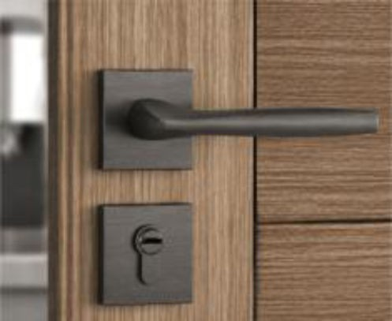
ITEM | LOCATION | DESCRIPTION |  | CODE |  | IMAGE |  |  | QUANTITY | SUPPLIER |  | COMMENTS |  | REV
DOOR D2
 |  | Bộ khóa cửa tay gạt Code: BSQSSN27266 Vật liệu: Hợp kim kẽm, Màu đen mờ Chiều dài thân khóa: 136,8mm; cao 63,6mm, rộng 54,5mm Xuất xứ: Trung Quốc NCC: BSQUARE |  |  |  |  |  |  | 1 | Oppein-Bsquare Add: 1A Phu Thuan Street, Phu Thuan Ward, District 7, Ho Chi Minh City. Website: www.oppein.com.vn Contact: Hiền 0702 555 656
 |  |  |  |  |  |  |  |  |  | (or equivalent)
 |  | BẢN LỀ ÂM.stst.matt 120kg |  |  |  |  |  |  | 3
 | POWDER ROOM |  |  |  |  |  |  |  |  | Häfele Vietnam LLC Head Office REE Tower, 3rd Floor, 9 Doan Van Bo St., Dist.4, Ho Chi Minh Tel: +84 28 39 113 113 Fax: +84 28 39 113 114 Email: info@hafele.com.vn www.hafele.com.vn
 |  | ĐỆM KHÍ CHO CỬA - 10MM TPE |  |  |  |  |  |  | 0.24
 |  |  |  |  |  |  |  |  |  | (or equivalent)
 |  | CHẶN CỬA CÓ MÓC TREO, INOX MỜ |  |  |  | 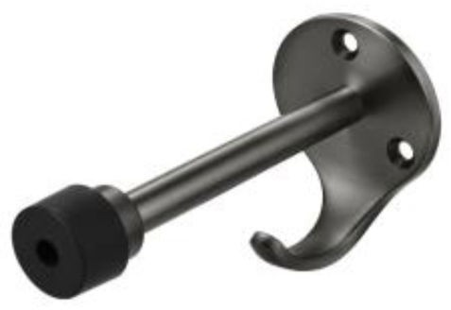 |  |  | 1

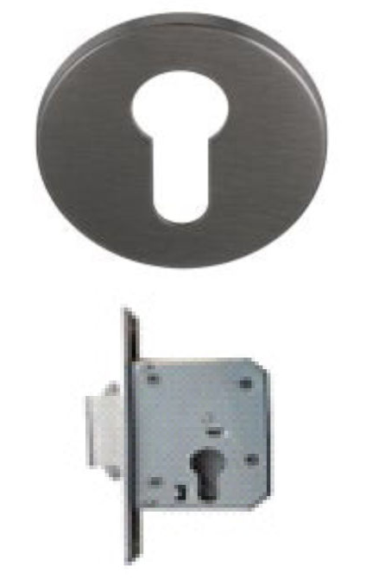
ITEM | LOCATION | DESCRIPTION |  | CODE |  | IMAGE |  |  | QUANTITY | SUPPLIER |  | COMMENTS |  | REV
DOOR D5
 |  | NẮP CHỤP RUỘT KHOÁ T10MM, SSS |  | 903.52.780 |  |  |  |  | 1
 |  | THÂN KHOÁ CỬA TRѬỢT BS40 |  | 911.26.277 |  |  |  |  | 1
 |  |  |  |  |  | 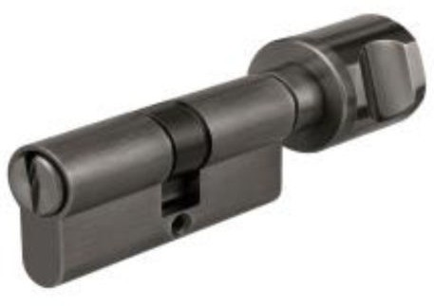 |  |  |  | Häfele Vietnam LLC Head Office
 |  |  |  |  |  |  |  |  |  | REE Tower, 3rd Floor,
 |  |  |  |  |  |  |  |  |  | 9 Doan Van Bo St., Dist.4, Ho Chi
 |  | RUỘT KHÓA WC 71MM |  | 916.96.422 |  |  |  |  | 1 | Minh Tel: +84 28 39 113 113
 |  |  |  |  |  |  |  |  |  | Fax: +84 28 39 113 114
 |  |  |  |  |  |  |  |  |  | Email: info@hafele.com.vn
 |  |  |  |  |  |  |  |  |  | www.hafele.com.vn
 | BATHROOM
 |  | RAY TRѬỢT NHÔM 3000 MM (120KGS) |  | 940.43.932 |  |  |  |  | 1
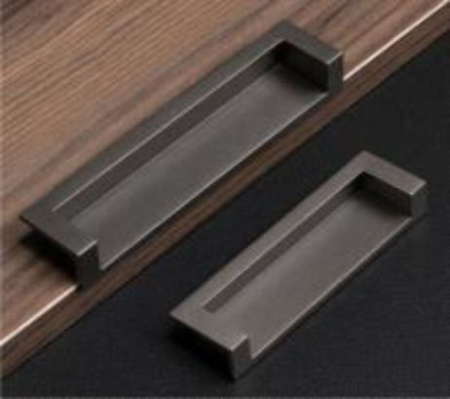
 |  | BỘ PHỤ KIỆN 120-I GIẢM CHẤN 1 BÊN |  | 941.25.045 |  |  |  |  | 2
 |  |  |  |  |  |  |  |  |  | Oppein-Bsquare
 |  |  |  |  |  |  |  |  |  | Add: 1A Phu Thuan Street, Phu
 |  |  |  |  |  |  |  |  |  | Thuan Ward, District 7, Ho Chi
 |  | TAY NẮM ÂM CC128X172MM, CHROME MỜ |  | 151.22.400 |  |  |  |  | 4 | Minh City. Website: www.oppein.com.vn
 |  |  |  |  |  |  |  |  |  | Contact: Hiền 0702 555 656
 |  |  |  |  |  |  |  |  |  | (or equivalent)

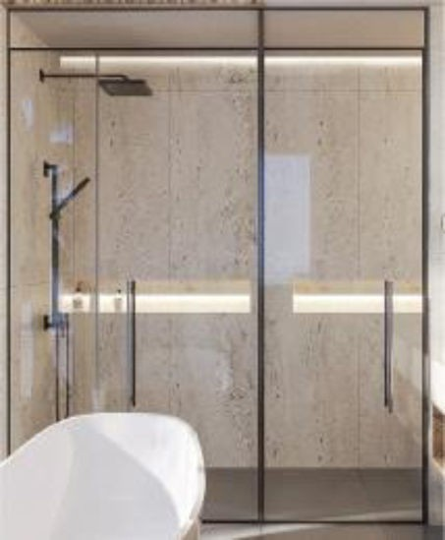
ITEM | LOCATION | DESCRIPTION |  | CODE |  | IMAGE |  |  | QUANTITY | SUPPLIER |  | COMMENTS |  | REV
ALL SHOWER GLASS PARTITION
 | SHOWER AREA | VÁCH TẮM KÍNH, PROFILE INOX MÀU ĐEN, DÁN MỜ PHẦN KÍNH |  |  |  |  |  |  |  | BY CONTRACTOR
 |  | TAY NẮM CỬA KÍNH PHÒNG TẮM |  | 903.12.323 |  |  |  |  |  | Häfele Vietnam LLC Head Office REE Tower, 3rd Floor, 9 Doan Van Bo St., Dist.4, Ho Chi Minh Tel: +84 28 39 113 113 Fax: +84 28 39 113 114 Email: info@hafele.com.vn www.hafele.com.vn

